Accounts
 | 98,955,257 | 2,418,948,963 | 2,517,904,220 | 2024-12-22 |  | 30,144,600
Name | ISK | Assets | Wallet | SP | +SP | ESP
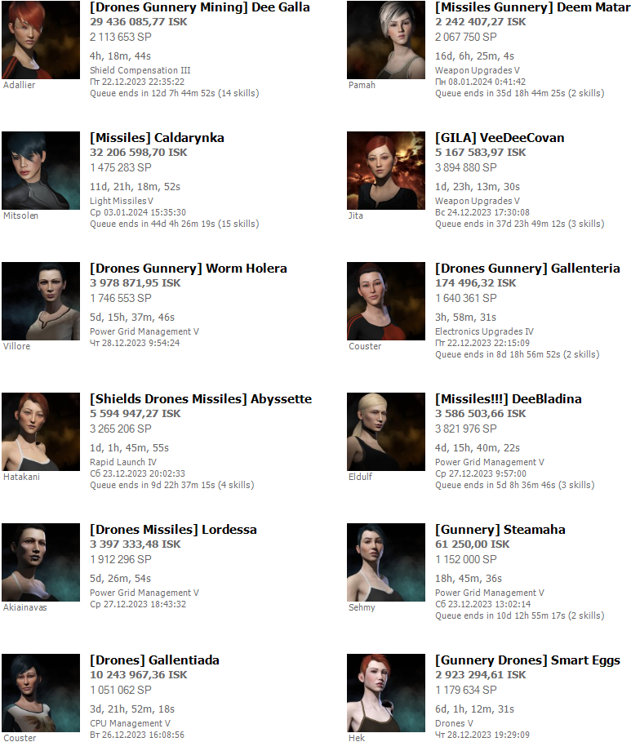
Deem Matar | 2,242,407 | 192,033,463 | 194,275,870 | 2,065,000 | 269,000 | 2,334,000
matar

Dee Galla | 29,436,000 | 59,357,000 | 88,793,000 | 2,111,000 | 0 | 2,111,000
gallente

Worm Holera | 3,978,871 | 95,719,700 | 99,698,571 | 1,744,000 | 400,000 | 2,144,000
caldari

VeeDeeCovan | 5,177,584 | 1,637,101,000 | 1,642,278,584 | 3,892,000 | 0 | 3,892,000
caldari

Abyssette | 5,594,947 | 38,844,500 | 44,439,447 | 3,262,000 | 50,000 | 3,312,000
caldari

Gallenteria | 174,500 | 1,350,000 | 1,524,500 | 1,638,000 | 500,000 | 2,138,000
gallente

Lordessa | 3,397,300 | 64,115,000 | 67,512,300 | 1,910,000 | 836,000 | 2,746,000
caldari

DeeBladina | 3,568,500 | 301,774,000 | 305,342,500 | 3,819,500 | 0 | 3,819,500
caldari

Caldarynka | 32,206,598 | 21,162,300 | 53,368,898 | 1,470,000 | 190,000 | 1,660,000
caldari

Steamaha | 36,250 | 285,000 | 321,250 | 1,149,500 | 1,007,000 | 2,156,500
ammarr

Smart Eggs | 2,898,300 | 6,674,000 | 9,572,300 | 1,177,000 | 525,500 | 1,702,500
matar

Gallentiada | 10,244,000 | 533,000 | 10,777,000 | 1,123,100 | 1,006,000 | 2,129,100
gallente


Newa Matara | 10,000,000 | 30,000 | 10,030,000 | 1,388,000 | 1,000,000 | 2,388,000
minmatar
18-Dec-24
eveplayeralpha@gmail.com
neweveplayer

Aby Dee

Ababa Halamaha

che-va

Dee Covan

Deem Cheva

Micronomica Alpha

Credentials
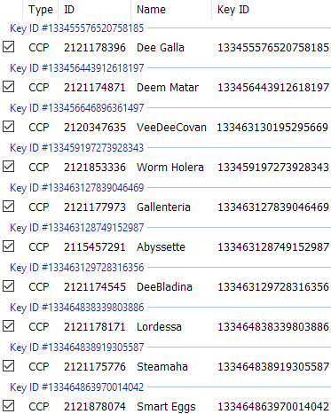
 |  |  |  |  |  |  |  | 3,049,135,140
 | che-va |  | Key ID #133273436871367461 |  |  |  |  | 76,886,769
 | dmytro.cheusov@outlook.com |  | CCP 2119361891 che-va 133273436871367461

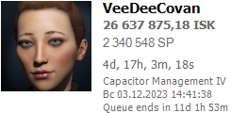
2023-05-12 |  |  | ESI key 133456646896361497 |  |  |  |  | 1,580,000,000
 |  |  | CCP 2120347635 VeeDeeCovan 133273437909130195 |  |  |  |  | 3,505,000
 |  |  |  |  |  |  |  | 0

2023-05-12 | dee.covan |  | Key ID #1532734503350381711 | Caldari |  |  |  | 551,765,000
 | dee.covan@gmail.com |  | CCP 2121174545 DeeBladina 133273450335058171 |  |  |  |  | 3,420,000
 |  |  |  |  |  |  |  | 0

 | deecovan |  | Key ID #13327341933647058 | Caldari
 | dee.covan@gmail.com |  | CCP 2114656127 Dee Covan 133273419339470589

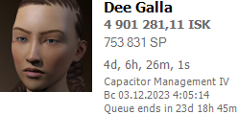
 |  |  | ESI Key 133455576520758185 |  |  |  | $ | 100,000,000
 |  |  | CCP 2121178396 Dee Galla 133273541951365302 |  |  |  | SP | 1,736,000
 |  |  |  |  |  |  | SP+ | 0
2023-05-12
 | dmitry.cheva |  | Key ID #133273421545470270 |  |  |  |  | 117,663,285
 | dmitry.cheva@gmail.com |  | CCP 578564394 dcheva 133273421545470279

2023-05-12 |  |  | Key ID #133273422110855486 | Caldari |  |  | $ | 34,708,509
 |  |  | CCP 2115457291 Abyssette 133273422110855496 |  |  |  | SP | 2,845,000
 |  |  |  |  |  |  | SP+ | 1,000,000

 | dmytro.cheva |  | Key ID #133273429919280601 |  |  |  |  | 106,961,088
 | dmytro.cheva@gmail.com |  | CCP 2113875139 Deem Cheva 133273429919280601

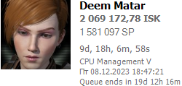
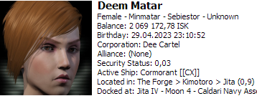
 |  |  | ESI key 133456443912618197 |  |  |  | $ | 58,650,000
 |  |  | CCP 2121174871 Deem Matar 133273430369157136 |  |  |  | SP | 2,000,000
 |  | CEO |  |  |  |  | SP+ | 268,000
2023-05-12 |  | Dee Cartel
 | s::dcheva |  | Key ID #133273407407473208 |  |  |  |  | 1,201,683
 |  |  | CCP 2118248041 SteamCheva 133273407407475268

2023-08-12 |  |  | Key ID #133273408233997085 | Amarr |  |  | $ | 330,000
 |  |  | CCP 2121175776 Steamaha 133273408233997085 |  |  |  | SP | 1,800,000
 |  |  |  |  |  |  | SP+ | 1,000,000

 | s::deecovan

2023-08-12 |  |  | Key ID #133273504860642467 | Caldari |  |  | $ | 660,000
 |  |  | CCP 2121178171 Lordessa 133273504860642467 |  |  |  | SP | 2,400,000
 |  |  |  |  |  |  | SP+ | 1,000,000

 | amarr.khuyam |  | Key ID #133273446298473215 |  |  |  |  | 204,581
 | amarr.khuyam@gmail.com |  | CCP 2115031890 Amarr Khuyam 133273446298473215

2023-05-12 |  |  | Key ID #133273504860642467 | Gallente |  |  | $ | 104,225
 |  |  | CCP 2121178171 Lordessa 133273504860642467 |  |  |  | SP | 1,770,000
 |  |  |  |  |  |  | SP+ | 1,000,000

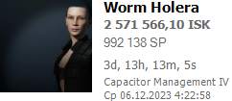
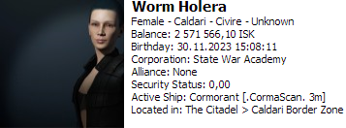
 | dee.covana |  |  | Worm Holera | Caldari |  | $ | 520,000,000
 | dee.covana@gmail.com |  |  |  |  |  | SP | 1,745,000
 |  | CEO |  |  |  |  | SP+ | 386,000
2023-06-12 |  | Heirs of Holes
 | never-played |  |  | ??? | Minmatar |  | $ | 300,000
 | neverplayedever@gmail.com |  |  |  |  |  | SP | 800,000
 |  |  |  |  |  |  | SP+ | 1,000,000
never

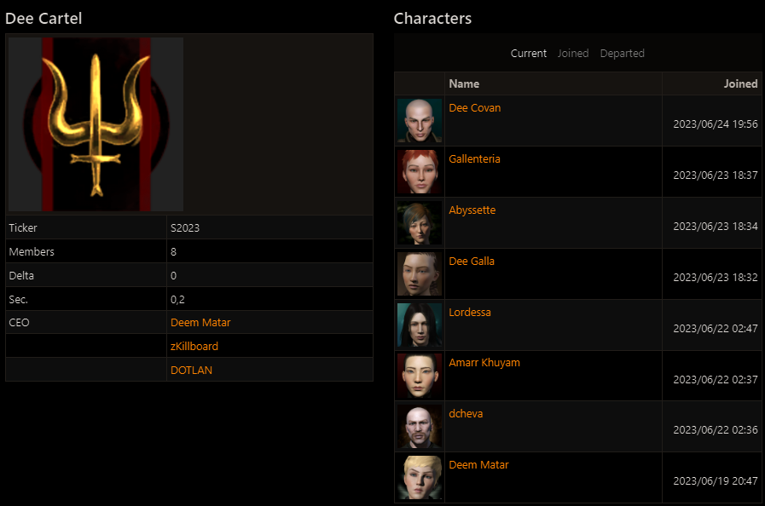
 | Dee Cartel API 777 VWoP5tm7UhmuDUsoIL7a8LAWQDzNMC4K9nRNXFYHVo4RdzHf6Am9RwXhG39pjReC

 |  |  |  |  |  | Disonans > (☼) - так думаю краще))


 |  |  |  |  |  |  | Name | Role
 |  |  |  |  |  |  | Worm Holera | CEO
 |  |  |  |  |  |  | Caldari Gunner
 |  |  |  |  |  |  | https://docs.google.com/spreadsheets/d/1yrMGSF8emLoM4m80w6mN6Wq6maqwPUab6dpAIr-aZtk/edit?usp=sharing

